Recommendation
Insights
1. Top 10 Sales Agent by Deals Win in 2017 Darcel Schecht has highest deals won in 2017. He has 63.1 win percentage with average sales cycle length 49.4 and generated $1,153,214 revenue. | 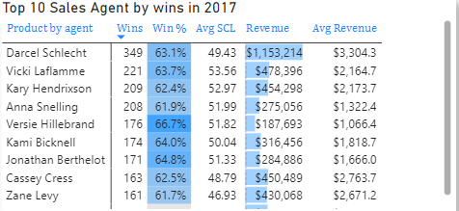
2. Revenue by product series - Overall Performance: + There was a significant increase in sales across all product series in Q2 2017, indicating a strong market response during this period. However, sales remained stable in Q3 and Q4. + Among the product series, GTX generated the highest revenue, showcasing its popularity and demand in various sectors. In contrast, the GTK product, being more expensive, was purchased by fewer companies for specific purposes - Revenue Visualization: The accompanying bar chart illustrates the total revenue generated from each product series throughout 2017. Users can filter the data by quarter, by manager, and by sales agent for more granular insights. - Product Popularity: + The Standard series stands out as the leading revenue generator and is widely utilized across different sectors, indicating its versatility and market acceptance. + Although the MG Special product generated lower revenue compared to others, it remains popular due to its affordability, appealing to cost-sensitive customers. | 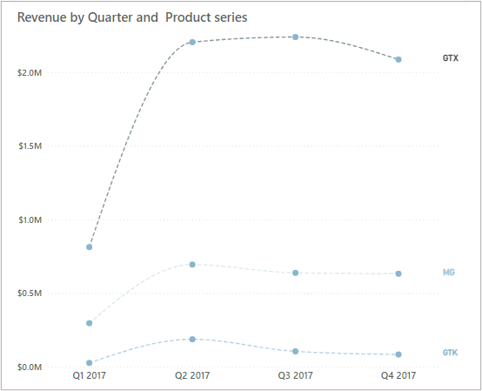 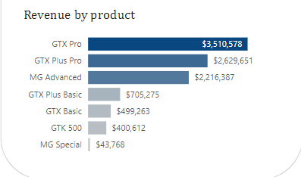
3. Geography Contribution (US focus) - Market Position: The donut chart illustrates MavenTech's commanding market position in the US, capturing approximately 85% of the total market share. This substantial share highlights the company's significant dominance compared to competitors in other countries, emphasizing its pivotal role within the industry landscape. - Revenue Sector Analysis: The bar chart depicting MavenTech computer hardware usage across different sectors in the US reveals several key insights. + High Revenue Generators: The retail, medical, software, and technology sectors stand out as the highest revenue generators. This suggests that MavenTech's computer hardware solutions are particularly well-suited for these industries, likely due to their technological requirements and performance standards. + Lower Revenue Sectors: Conversely, the employment and services sectors appear to lag in both revenue generation and presumably adoption of MavenTech's hardware solutions. This could indicate a lower demand for computer hardware in these areas, possibly due to a reliance on software-based solutions or outsourcing of hardware needs. It also presents an opportunity for MavenTech to target these sectors with tailored offerings or marketing strategies. | 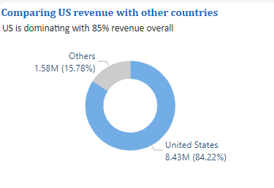 | 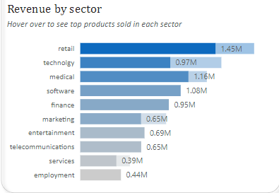
* Others Country Contribution: - Sales Performance by Others Country: + The comparative analysis highlights key metrics across countries outside the US. Notably, Korea, Panama, and Belgium emerge as frontrunners in terms of both the number of deals won and their respective win percentages. + Panama stands out with the highest deal-winning percentage, indicating exceptional success in converting opportunities into revenue. This suggests a strong sales strategy or market fit in that region. + Germany and China also feature prominently in deal counts; however, their revenue figures are comparatively moderate. This could imply that while these countries have a significant number of deals, the average deal size may be lower than in other regions. + The average sales cycle length (Avg SCL) appears relatively stable across regions, suggesting a consistent timeline for deal closure regardless of location. - Sector Analysis in Other Countries: + The accompanying chart illustrates MavenTech's computer hardware usage across various sectors in other countries, revealing insightful patterns: The technology and retail sectors emerge as top revenue generators, indicating strong demand for MavenTech's solutions. This demand is likely driven by technological advancements and evolving consumer trends. + In contrast, the medical and services sectors lag behind in terms of revenue generation. This may indicate lower adoption rates, potentially due to regulatory constraints or a reliance on alternative solutions. + Understanding these sector-specific dynamics is crucial for MavenTech to tailor its marketing strategies, product development, and resource allocation effectively. By targeting high-potential sectors and addressing challenges in underperforming areas, MavenTech can capitalize on lucrative opportunities. | 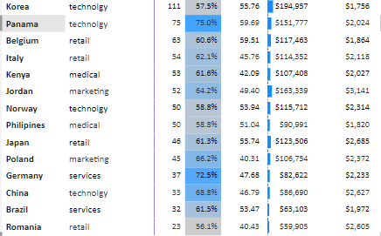 | 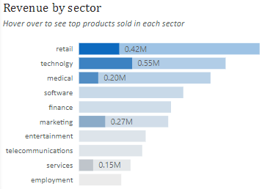

4. Premium Category Analysis: GTK-500 -Market Position: + The GTK-500 product is exclusively sold in the US, highlighting MavenTech's strategic focus on catering to a specific high-end market segment. This unique positioning underscores the product's premium nature and the company's commitment to serving specialized needs within the US market. + GTK-500 enjoys high demand across multiple sectors, including entertainment, employment, finance, medical, and retail. This broad appeal suggests that the product offers versatile functionalities or addresses critical needs across diverse industries, significantly contributing to its market success and revenue generation. - Sales Performance of Agents: The sales performance metrics for agents Elease Gluck, Rosalina Dieter, and Markita Hansen who sold the GTK-500 product reveal key insights: + Elease Gluck emerges as the top performer, achieving the highest number of wins and generating the most revenue from GTK-500 sales. This indicates strong sales skills and effective strategies in promoting this high-value product. + Rosalina Dieter boasts the highest win percentage at 83.3%, showcasing a remarkable success rate in closing deals for the GTK-500. This high conversion rate reflects her ability to effectively engage with potential customers. + Elease's superior performance in both revenue generation and win percentage underscores her effectiveness in selling the GTK-500 product, making her a key contributor to MavenTech's overall sales success. | 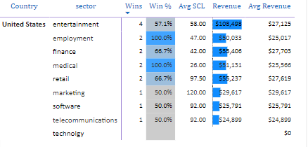 |  | 